ART
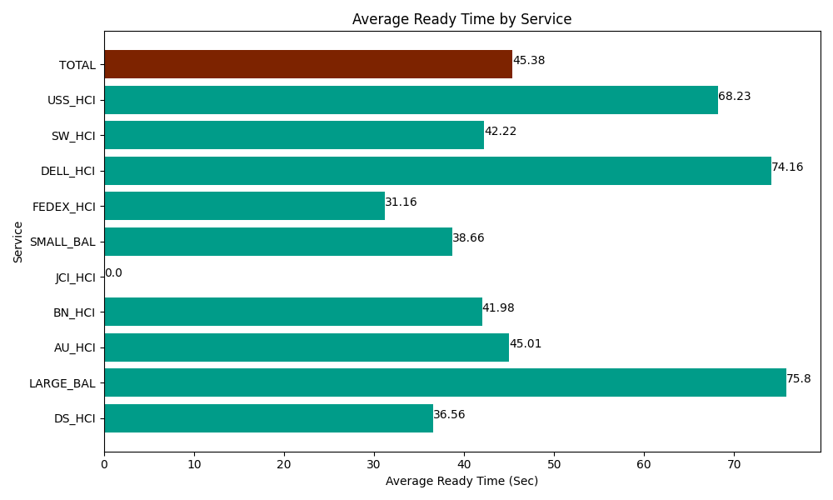
Date | Service | Successful Op Transfer | In Call (Sec) | Ready (Sec) | Wrapup (Sec) | Not Ready (Sec) | Average Ready Time (Sec)
05-24-2024 | DS_HCI | 587 | 39112.199707 | 21460.200806 | 57675 | 44389.801025 | 36.56
05-24-2024 | LARGE_BAL | 6 | 810 | 454.79999542 | 1643.9999771 | 127.19999313 | 75.8
05-24-2024 | AU_HCI | 333 | 26659.799194 | 14988.000183 | 29944.799194 | 30583.200073 | 45.01
05-24-2024 | BN_HCI | 830 | 44895 | 34846.801758 | 74925 | 41832.000732 | 41.98
05-24-2024 | JCI_HCI | 0 | 0 | 0 | 0 | 0 | 0
05-24-2024 | SMALL_BAL | 21 | 1003.7999725 | 811.79998398 | 1759.1999817 | 2491.7999268 | 38.66
05-24-2024 | FEDEX_HCI | 49 | 3703.7999725 | 1527.0000458 | 6535.8000183 | 1582.7999496 | 31.16
05-24-2024 | DELL_HCI | 74 | 6339.0000916 | 5488.2000732 | 32305.198975 | 8632.199707 | 74.16
05-24-2024 | SW_HCI | 108 | 4387.2001648 | 4560 | 5943.0001831 | 2990.9999084 | 42.22
05-24-2024 | USS_HCI | 14 | 1588.1999588 | 955.20000458 | 1009.1999817 | 1343.9999771 | 68.23
 | TOTAL | 2022 | 128498.99906 | 85092.00285 | 211741.19831 | 133974.00129 | 45.38

